Cordon Map
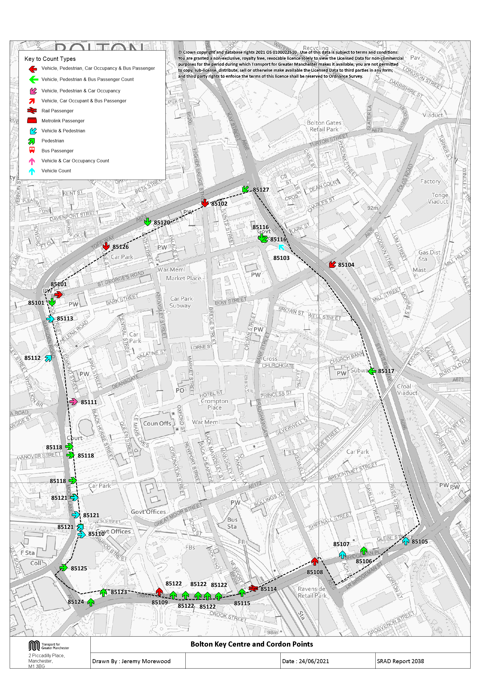

Tab 14 KC Traffic Trend
Bolton Key Centre Traffic Trend
Table 14 shows the number of vehicles, by type, entering Bolton Key Centre

Table 14 Bolton Key Centre Cordon Counts 1997, 1998, 2001, 2004, 2007 and 2009 - 2020
Time Period | Year | Cars | LGV | OGV | Buses | M/C | P/C | All
07:30-09:30 | 1997 | 7627 | 727 | 289 | 514 | 43 | 74 | 9274
 | 1998 | 7741 | 689 | 233 | 508 | 39 | 73 | 9283
 | 1999
 | 2000
 | 2001 | 7907 | 802 | 160 | 485 | 37 | 63 | 9454
 | 2002
 | 2003
 | 2004 | 7343 | 675 | 130 | 407 | 39 | 58 | 8652
 | 2005
 | 2006
 | 2007 | 7444 | 697 | 143 | 416 | 38 | 77 | 8815
 | 2008
 | 2009 | 6509 | 613 | 101 | 389 | 25 | 76 | 7713
 | 2010 | 6530 | 532 | 111 | 343 | 36 | 76 | 7628
 | 2011 | 5978 | 656 | 123 | 307 | 34 | 64 | 7162
 | 2012 | 6032 | 490 | 109 | 335 | 37 | 104 | 7107
 | 2013 | 6476 | 603 | 111 | 337 | 31 | 76 | 7634
 | 2014 | 5931 | 494 | 89 | 333 | 40 | 82 | 6969
 | 2015 | 6474 | 527 | 96 | 303 | 29 | 92 | 7521
 | 2016 | 6286 | 660 | 135 | 263 | 31 | 85 | 7460
 | 2017 | 6469 | 527 | 166 | 308 | 35 | 87 | 7592
 | 2018 | 6557 | 555 | 137 | 236 | 20 | 85 | 7590
 | 2019 | 6682 | 537 | 129 | 262 | 16 | 86 | 7712
 | 2020 | 6196 | 515 | 133 | 262 | 14 | 61 | 7181
 | 2020/1997 | 0.81 | 0.71 | 0.46 | 0.51 | 0.33 | 0.82 | 0.77
10:00-12:00 | 1997 | 6499 | 622 | 265 | 549 | 27 | 19 | 7981
 | 1998 | 6232 | 658 | 274 | 492 | 17 | 15 | 7688
 | 1999
 | 2000
 | 2001 | 6320 | 774 | 195 | 445 | 19 | 21 | 7774
 | 2002
 | 2003
 | 2004 | 5903 | 622 | 138 | 412 | 31 | 32 | 7138
 | 2005
 | 2006
 | 2007 | 5461 | 647 | 167 | 452 | 24 | 22 | 6773
 | 2008
 | 2009 | 4988 | 573 | 143 | 375 | 50 | 33 | 6162
 | 2010 | 4943 | 523 | 111 | 337 | 19 | 45 | 5978
 | 2011 | 4854 | 628 | 123 | 305 | 23 | 38 | 5971
 | 2012 | 4601 | 464 | 97 | 358 | 33 | 59 | 5612
 | 2013 | 5153 | 559 | 118 | 354 | 19 | 35 | 6238
 | 2014 | 4552 | 497 | 76 | 330 | 26 | 53 | 5534
 | 2015 | 4803 | 507 | 109 | 298 | 23 | 44 | 5784
 | 2016 | 4812 | 560 | 121 | 275 | 17 | 33 | 5818
 | 2017 | 5006 | 478 | 137 | 285 | 15 | 31 | 5952
 | 2018 | 5294 | 514 | 141 | 239 | 11 | 32 | 6231
 | 2019 | 5406 | 525 | 126 | 266 | 21 | 36 | 6380
 | 2020 | 5160 | 511 | 143 | 246 | 8 | 27 | 6095
 | 2020/1997 | 0.79 | 0.82 | 0.54 | 0.45 | 0.30 | 1.42 | 0.76
16:00-18:00 | 1997 | 6526 | 504 | 141 | 549 | 34 | 49 | 7803
 | 1998 | 5998 | 564 | 136 | 484 | 28 | 38 | 7248
 | 1999
 | 2000
 | 2001 | 6524 | 641 | 79 | 443 | 31 | 43 | 7761
 | 2002
 | 2003
 | 2004 | 4953 | 501 | 63 | 411 | 28 | 60 | 6016
 | 2005
 | 2006
 | 2007 | 5803 | 532 | 53 | 424 | 40 | 67 | 6919
 | 2008
 | 2009 | 4586 | 370 | 54 | 387 | 46 | 64 | 5507
 | 2010 | 4825 | 437 | 47 | 328 | 45 | 69 | 5751
 | 2011 | 4306 | 402 | 35 | 290 | 37 | 65 | 5135
 | 2012 | 4572 | 390 | 41 | 341 | 45 | 143 | 5532
 | 2013 | 4901 | 450 | 51 | 346 | 37 | 90 | 5875
 | 2014 | 4767 | 444 | 20 | 335 | 26 | 112 | 5704
 | 2015 | 4754 | 415 | 33 | 283 | 34 | 116 | 5635
 | 2016 | 4973 | 435 | 44 | 265 | 27 | 93 | 5837
 | 2017 | 4977 | 383 | 54 | 278 | 34 | 89 | 5815
 | 2018 | 5200 | 428 | 48 | 219 | 45 | 100 | 6040
 | 2019 | 5121 | 468 | 41 | 232 | 28 | 98 | 5988
 | 2020 | 5069 | 430 | 48 | 236 | 23 | 77 | 5883
 | 2020/1997 | 0.78 | 0.85 | 0.34 | 0.43 | 0.68 | 1.57 | 0.75
Bolton Key Centre Inbound Vehicle Counts
 | 07:30-09:30 | 10:00-12:00 | 16:00-18:00
1997 | 9274 | 7981 | 7803
1998 | 9283 | 7688 | 7248
1999
2000
2001 | 9454 | 7774 | 7761
2002
2003
2004 | 8652 | 7138 | 6016
2005
2006
2007 | 8815 | 6773 | 6919
2008
2009 | 7713 | 6162 | 5507
2010 | 7628 | 5978 | 5751
2011 | 7162 | 5971 | 5135
2012 | 7107 | 5612 | 5532
2013 | 7634 | 6238 | 5875
2014 | 6969 | 5534 | 5704
2015 | 7521 | 5784 | 5635
2016 | 7460 | 5818 | 5837
2017 | 7592 | 5952 | 5815
2018 | 7590 | 6231 | 6040
2019 | 7712 | 6380 | 5988
2020 | 7181 | 6095 | 5883

Table 19 KC Car & Non-car Trips
Table 19 shows the number of trips into the Key Centre Cordon, calculated from vehicle numbers and occupancy levels.

Car and Non-Car Trips into Bolton Key Centre 07:30-09:30
 | Car | Bus | Rail | Cycle | Walk
2001 | 10365 | 5140 | 429 | 63 | 2220
2002
2003
2004 | 9326 | 3975 | 429 | 58 | 2486
2005
2006
2007 | 9603 | 4724 | 822 | 77 | 2355.1066605
2008
2009 | 8462 | 4460 | 709 | 76 | 2464
2010 | 8750 | 4360 | 680 | 76 | 2167
2011 | 7891 | 4022 | 739 | 64 | 2368
2012 | 8023 | 3195 | 921 | 104 | 2456
2013 | 8484 | 2903 | 911 | 76 | 2451
2014 | 7829 | 3467 | 698 | 82 | 2563
2015 | 8400 | 3693 | 877 | 92 | 2611
2016 | 8512 | 2753 | 675 | 85 | 2312
2017 | 8614 | 3030 | 697 | 87 | 2662
2018 | 8708 | 3311 | 631 | 85 | 2543
2019 | 8688 | 3440 | 583 | 86 | 2251
2020 | 8016 | 2257 | 506 | 61 | 2105
Table 19 Car and Non-Car Trips into Bolton Key Centre
Time Period | Year | Car | Bus | Rail | Cycle | Walk | Total | % Car | % Non-Car
07:30-09:30 | 2001 | 10365 | 5140 | 429 | 63 | 2220 | 18217 | 57 | 43
 | 2002
 | 2003
 | 2004 | 9326 | 3975 | 429 | 58 | 2486 | 16274 | 57 | 43
 | 2005
 | 2006
 | 2007 | 9603 | 4724 | 822 | 77 | 2355 | 17581 | 55 | 45
 | 2008
 | 2009 | 8462 | 4460 | 709 | 76 | 2464 | 16170 | 52 | 48
 | 2010 | 8750 | 4360 | 680 | 76 | 2167 | 16033 | 55 | 45
 | 2011 | 7891 | 4022 | 739 | 64 | 2368 | 15084 | 52 | 48
 | 2012 | 8023 | 3195 | 921 | 104 | 2456 | 14698 | 55 | 45
 | 2013 | 8484 | 2903 | 911 | 76 | 2451 | 14824 | 57 | 43
 | 2014 | 7829 | 3467 | 698 | 82 | 2563 | 14639 | 53 | 47
 | 2015 | 8400 | 3693 | 877 | 92 | 2611 | 15673 | 54 | 46
 | 2016 | 8512 | 2753 | 675 | 85 | 2312 | 14337 | 59 | 41
 | 2017 | 8614 | 3030 | 697 | 87 | 2662 | 15090 | 57 | 43
 | 2018 | 8708 | 3311 | 631 | 85 | 2543 | 15278 | 57 | 43
 | 2019 | 8688 | 3440 | 583 | 86 | 2251 | 15048 | 58 | 42
 | 2020 | 8016 | 2257 | 506 | 61 | 2105 | 12945 | 62 | 38
 | 2020/2001 | 0.77 | 0.44 | 1.18 | 0.97 | 0.95 | 0.71 | 1.09 | 0.88
Car and Non-Car Trips into Bolton Key Centre 10:00-12:00
 | Car | Bus | Rail | Cycle | Walk
2001 | 9210 | 3790 | 394 | 23 | 2191
2002
2003
2004 | 8914 | 3054 | 396 | 32 | 2911
2005
2006
2007 | 7755 | 4722 | 610 | 22 | 2581.101855
2008
2009 | 7233 | 4949 | 636 | 33 | 2635
2010 | 7810 | 5758 | 497 | 45 | 2499
2011 | 7378 | 4615 | 613 | 38 | 2911
2012 | 6902 | 4587 | 747 | 59 | 3005
2013 | 7626 | 3633 | 564 | 35 | 2990
2014 | 7056 | 3611 | 512 | 53 | 3666
2015 | 7209 | 4306 | 532 | 44 | 3501
2016 | 7303 | 3110 | 404 | 33 | 2760
2017 | 7760 | 3016 | 454 | 31 | 3112
2018 | 7990 | 3295 | 385 | 32 | 3566
2019 | 8205 | 3520 | 378 | 36 | 2923
2020 | 7566 | 2273 | 397 | 27 | 2315
10:00-12:00 | 2001 | 9210 | 3790 | 394 | 23 | 2191 | 15608 | 59 | 41
 | 2002
 | 2003
 | 2004 | 8914 | 3054 | 396 | 32 | 2911 | 15307 | 58 | 42
 | 2005
 | 2006
 | 2007 | 7755 | 4722 | 610 | 22 | 2581 | 15690 | 49 | 51
 | 2008
 | 2009 | 7233 | 4949 | 636 | 33 | 2635 | 15485 | 47 | 53
 | 2010 | 7810 | 5758 | 497 | 45 | 2499 | 16609 | 47 | 53
 | 2011 | 7378 | 4615 | 613 | 38 | 2911 | 15555 | 47 | 53
 | 2012 | 6902 | 4587 | 747 | 59 | 3005 | 15300 | 45 | 55
 | 2013 | 7626 | 3633 | 564 | 35 | 2990 | 14848 | 51 | 49
 | 2014 | 7056 | 3611 | 512 | 53 | 3666 | 14898 | 47 | 53
 | 2015 | 7209 | 4306 | 532 | 44 | 3501 | 15591 | 46 | 54
 | 2016 | 7303 | 3110 | 404 | 33 | 2760 | 13610 | 54 | 46
 | 2017 | 7760 | 3016 | 454 | 31 | 3112 | 14372 | 54 | 46
 | 2018 | 7990 | 3295 | 385 | 32 | 3566 | 15267 | 52 | 48
 | 2019 | 8205 | 3520 | 378 | 36 | 2923 | 15062 | 54 | 46
 | 2020 | 7566 | 2273 | 397 | 27 | 2315 | 12579 | 60 | 40
 | 2020/2001 | 0.82 | 0.60 | 1.01 | 1.17 | 1.06 | 0.81 | 1.02 | 0.97
16:00-18:00 | 2001 | 8901 | 2033 | 1086 | 45 | 1281 | 13346 | 67 | 33
Car and Non-Car Trips into Bolton Key Centre 16:00-18:00
 | Car | Bus | Rail | Cycle | Walk
2001 | 8901 | 2033 | 1086 | 45 | 1281
2002
2003
2004 | 6874 | 1534 | 882 | 60 | 1913
2005
2006
2007 | 8182 | 2125 | 1063 | 67 | 1807.2682357
2008
2009 | 6375 | 2754 | 1203 | 64 | 2050
2010 | 7141 | 3025 | 1236 | 69 | 1497
2011 | 6158 | 2545 | 1334 | 65 | 2188
2012 | 6629 | 2207 | 1346 | 143 | 2440
2013 | 7155 | 2302 | 1248 | 90 | 2137
2014 | 7007 | 2292 | 1239 | 112 | 2810
2015 | 7139 | 2455 | 1336 | 117 | 3262
2016 | 7451 | 1829 | 1151 | 93 | 2729
2017 | 7342 | 2051 | 1155 | 89 | 2956
2018 | 7453 | 2090 | 1288 | 100 | 2829
2019 | 7170 | 2143 | 1082 | 98 | 2576
2020 | 7313 | 1580 | 1089 | 77 | 2365
 | 2002
 | 2003
 | 2004 | 6874 | 1534 | 882 | 60 | 1913 | 11263 | 61 | 39
 | 2005
 | 2006
 | 2007 | 8182 | 2125 | 1063 | 67 | 1807 | 13244 | 62 | 38
 | 2008
 | 2009 | 6375 | 2754 | 1203 | 64 | 2050 | 12445 | 51 | 49
 | 2010 | 7141 | 3025 | 1236 | 69 | 1497 | 12968 | 55 | 45
 | 2011 | 6158 | 2545 | 1334 | 65 | 2188 | 12289 | 50 | 50
 | 2012 | 6629 | 2207 | 1346 | 143 | 2440 | 12766 | 52 | 48
 | 2013 | 7155 | 2302 | 1248 | 90 | 2137 | 12932 | 55 | 45
 | 2014 | 7007 | 2292 | 1239 | 112 | 2810 | 13460 | 52 | 48
 | 2015 | 7139 | 2455 | 1336 | 117 | 3262 | 14309 | 50 | 50
 | 2016 | 7451 | 1829 | 1151 | 93 | 2729 | 13253 | 56 | 44
 | 2017 | 7342 | 2051 | 1155 | 89 | 2956 | 13593 | 54 | 46
 | 2018 | 7453 | 2090 | 1288 | 100 | 2829 | 13760 | 54 | 46
 | 2019 | 7170 | 2143 | 1082 | 98 | 2576 | 13070 | 55 | 45
 | 2020 | 7313 | 1580 | 1089 | 77 | 2365 | 12423 | 59 | 41
 | 2020/2001 | 0.82 | 0.78 | 1.00 | 1.71 | 1.85 | 0.93 | 0.88 | 1.24

